Sheet2
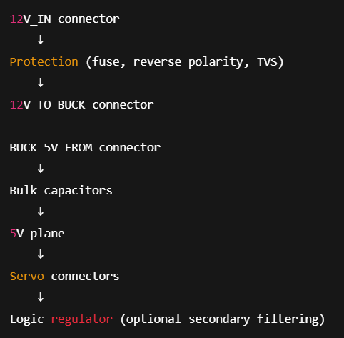
Subsystem | Component | Manufacturer | Part Number | Function | Connector / Mounting | Voltage / Current Rating | Est. Cost
Main Power Protection | High Current Fuse | Littelfuse | 0298080.ZXEH | Primary Safety: Protects the system from catastrophic shorts. | Bolt-On (M8/M6) | 32V / 80A | $7.46
Main Power Input | High Current Connector | Anderson | SB50 6331G1 | Tether Interface: Main quick-disconnect for the battery or surface power. | SB-Series Plug | 600V / 50A | $20.00
48V to 12V Conversion | High Power DC-DC | Daygreen | DE4D1240W | Motor Power: Steps down 48V tether power to 12V for thrusters. | Flying Leads | Input 36-72V / Output 12V 40A | $38.00
12V to 5V Logic | High Power DC-DC | Flipsky | UBEC 20S 20A | Sensor and Servo Power: Steps down 48v tether power to 5v for pi and sensors. | Raw Wire Leads | Input 15V to 84V / Output 5V 20A | $24.00
Servo Power | UBEC Module | Hobbywing | UBEC 10A V2 | Actuators: Steady supply for robotic claws or camera gimbals. | Servo Plug / Solder | Input 7-25.2V / Output 10A (20A burst) | $27.00
3.3V Regulation | Step-down Regulator | Texas Instruments | TPS62172 | Sensor Power: High-efficiency buck regulator for microcontrollers and IMUs. | SMT (WSON-8) | Input 3-17V / Output 3.3V 0.5A | $2.00
Surge Protection | TVS Diode | Littelfuse | SMBJ58A | Spike Protection: Clamps voltage surges caused by thrusters or long cables. | SMT (SMB) | 58V Standoff / 93.6V Clamp | $0.45
Reverse Polarity | MOSFET Protection | Infineon | BSC009NE2LS5 | Circuit Safety: Prevents damage if the power is plugged in backward. | SMT (TDSON-8) | 25V / 100A (Continuous) | $2.20
Current Monitoring | Power Monitor | Texas Instruments | INA226 | Telemetry: Reports real-time voltage and current usage to the pilot. | SMT (VSSOP-10) | 0-36V Bus Voltage / 10uV Offset | $3.00
Bulk Capacitance | Low ESR Capacitor | Panasonic | EEH-ZK1V471P | Energy Buffer: Stabilizes power rails during sudden thruster bursts. | SMT (V-Chip) | 35V / 470uF (3.3A Ripple) | $3.50
Thermal Monitoring | Temp Sensor | Texas Instruments | TMP102 | Internal Health: Monitors internal hull temperature for overheating. | SMT (SOT-563) | 1.4 to 3.6V Supply | $1.15
Logic Connectors | Board Connectors | JST | JST-PH Series | Internal Wiring: Secure, vibration-resistant connections for low-power sensors. | 2.0mm Header | 100V / 2.0A | $0.35
High Current Output | Power Connector | Amass | XT30 | Auxiliary Power: Distributes 12V power to external lights or tools. | 2mm Bullet / Solder | 500V / 30A (Continuous) | $1.25
EMI Filtering | Ferrite Bead | Murata | BLM31 | Noise Filter: Suppresses high-frequency interference from power converters. | SMT (1206) | ~30V / 1.5A to 6A | $0.50

